Figure K12-10
Figure K12-10
Average scores of students in grade 8 on the TIMSS mathematics and science scales among participating advanced economies, by education system: 2019
(Average score)
Education system | Mathematics |  | Science
Singapore | 616 | * | 608 | * | Static figure from Alley Interactive
Taiwan | 612 | * | 574 | * | mid-line is US average score
South Korea | 607 | * | 561 | * |  | Asterisks indicate significant difference from US score
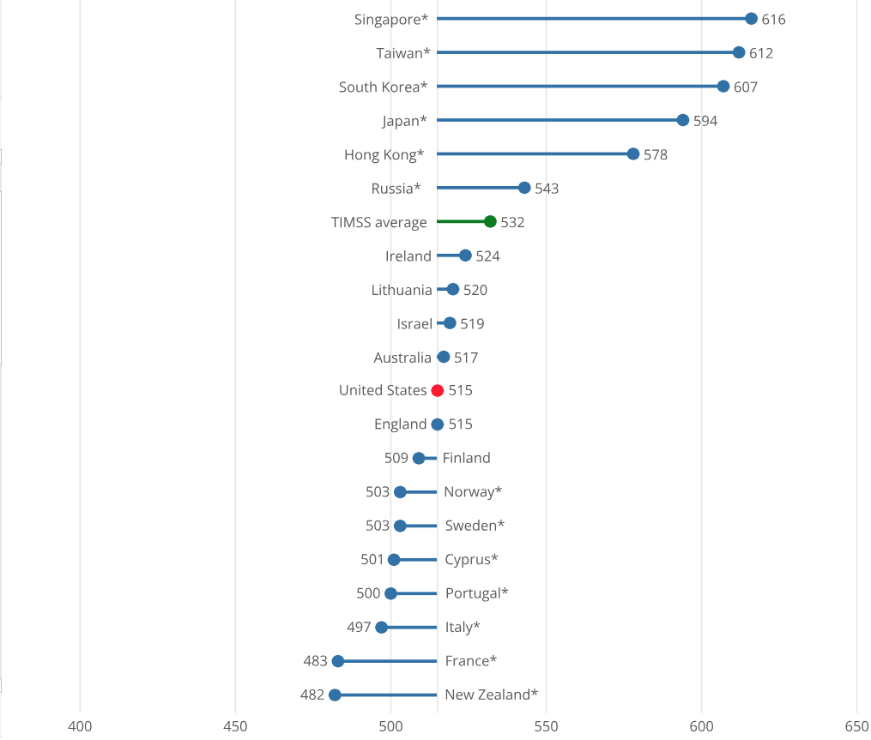
Japan | 594 | * | 570 | *
Hong Kong | 578 | * | 504 | *
Russia | 543 | * | 543 | *
TIMSS average | 532 |  | 527
Ireland | 524 |  | 523
Lithuania | 520 |  | 534 | *
Israel | 519 |  | 513
Australia | 517 |  | 528
United States | 515 |  | 522
England | 515 |  | 517
Finland | 509 |  | 543 | *
Norway | 503 | * | 495 | *
Sweden | 503 | * | 521
Cyprus | 501 | * | 484 | *
Portugal | 500 | * | 519
Italy | 497 | * | 500 | *
France | 483 | * | 489 | *
New Zealand | 482 | * | 499 | *
* p < 0.05. Significantly different from the U.S. estimate at the 0.05 level of statistical significance.
TIMSS = Trends in International Mathematics and Science Study.
Note(s):
TIMSS participants include countries, which are complete, independent political entities, and non-national entities (e.g., Hong Kong). Advanced economies are based on the International Monetary Fund (IMF) designation of advanced economies (IMF 2022). IMF does not classify Russia as an advanced economy, but it is included in this analysis because it is a large economy with high levels of student achievement. Education systems are ordered by average mathematics score.
Source(s):
International Association for the Evaluation of Educational Achievement, TIMSS, 2019.
Science and Engineering Indicators

